Tabelle 1
Ellesse Socks |  |  | DELIVERY OCTOBER-2025

Style-No. | Brand | Model | Color | Quantity | Pre-pack | Qty of boxes | 35-38 | 39-42 | 43-46 | RRP €

USHEL1439 | Ellesse | Sport Socks stripe 3 Pack | blk | 2230 |  |  | 372 | 1115 | 743 | 12.95 |  | 480 pce pre-packd 8-24-16 = 48 pce
USHEL 1435 | Ellesse | Sport Socks 3 Pack | wht | 2229 |  |  | 371 | 1115 | 743 |  |  | 480 pce pre-packd 8-24-16 = 48 pce
USHEL1440 | Ellesse | Sport Socks 3 Pack | blk | 6133 |  |  | 473 | 2760 | 2900 | 12.95
USHEL 1436 | Ellesse | Sport Socks 3 Pack | wht | 10213 |  |  | 1773 | 4670 | 3770 |  | 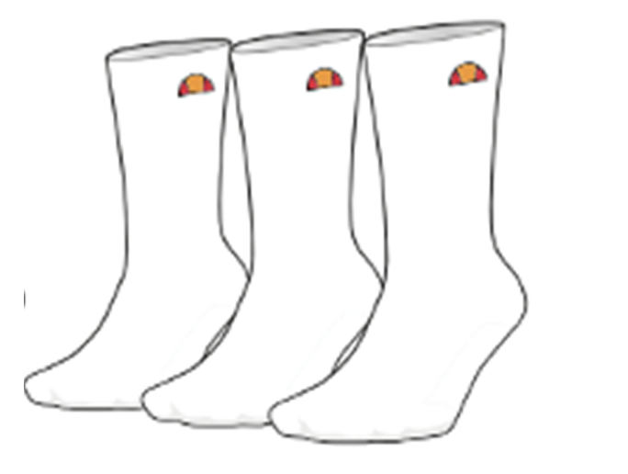 | 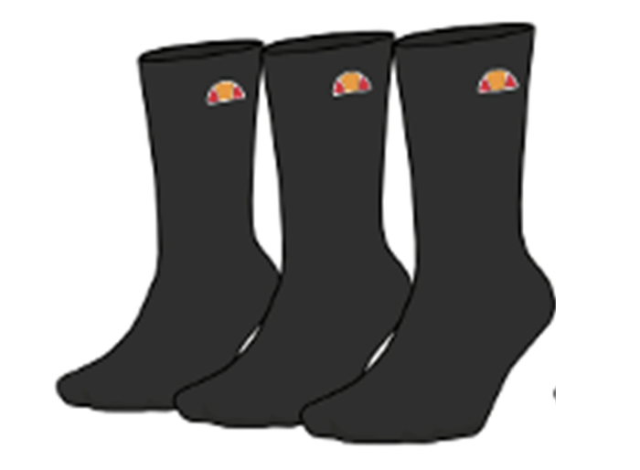
USHEL1441 | Ellesse | Sneaker Socks stripes 3 Pack | blk | 4800 |  |  | 800 | 2400 | 1600 | 12.95 |  | 2400 pce pre-packd 20-60-40 = 120 pce
USHEL1438 | Ellesse | Sneaker Socks stripes 3 Pack | wht | 1320 |  |  | 220 | 660 | 440 |  |  | 1320 pce pre-packd 20-60-40 = 120 pce
UHSEL1442 | Ellesse | Sneaker Socks 3 Pack | blk | 1592 |  |  | 478 | 428 | 686 | 12.95
USHEL1437 | Ellesse | Sneaker Socks 3 Pack | wht | 4865 |  |  | 1606 | 2130 | 1129
 |  |  |  | 22466

Total:

